2. Bug
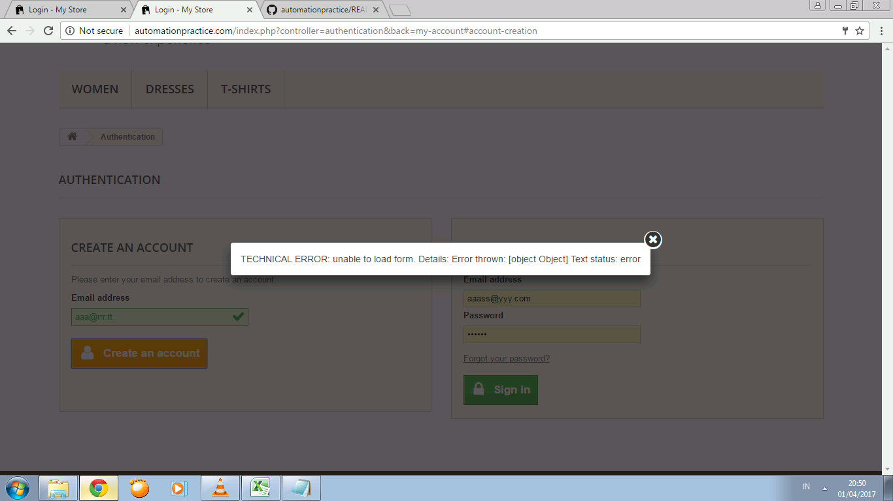
1. there is 2 whislist, but when i add my wishlist its just add to the 1st wishlist
M01.T01.43 | add to wishlist when have one wishlist | Step: 1.Go to product page 2. click button add to wishlist 3. check in the page my wishlist | actual :wishlist added to the 1st wishlist. | Expected :When there is 2 or more wishlist why can't the customer choose into wich wishlist the product will be add

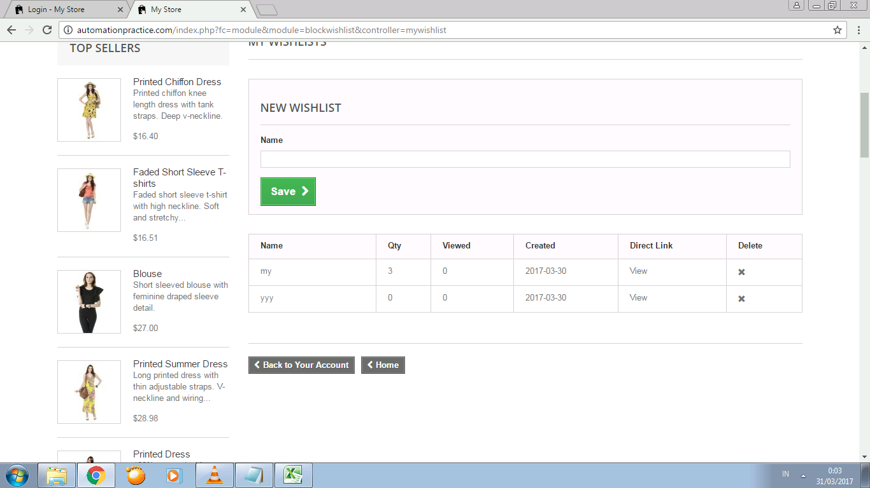

M01.T01.41 | Step: 1.Go to home page 2. fill field seach with a keyword 3. choose the sorting type | Expected: sorting the product from hihest price to the lowest or according alfabet z - a | Actual : Sorting still ascending
a. sorting desc by price not working

b. sort desc by product name not working

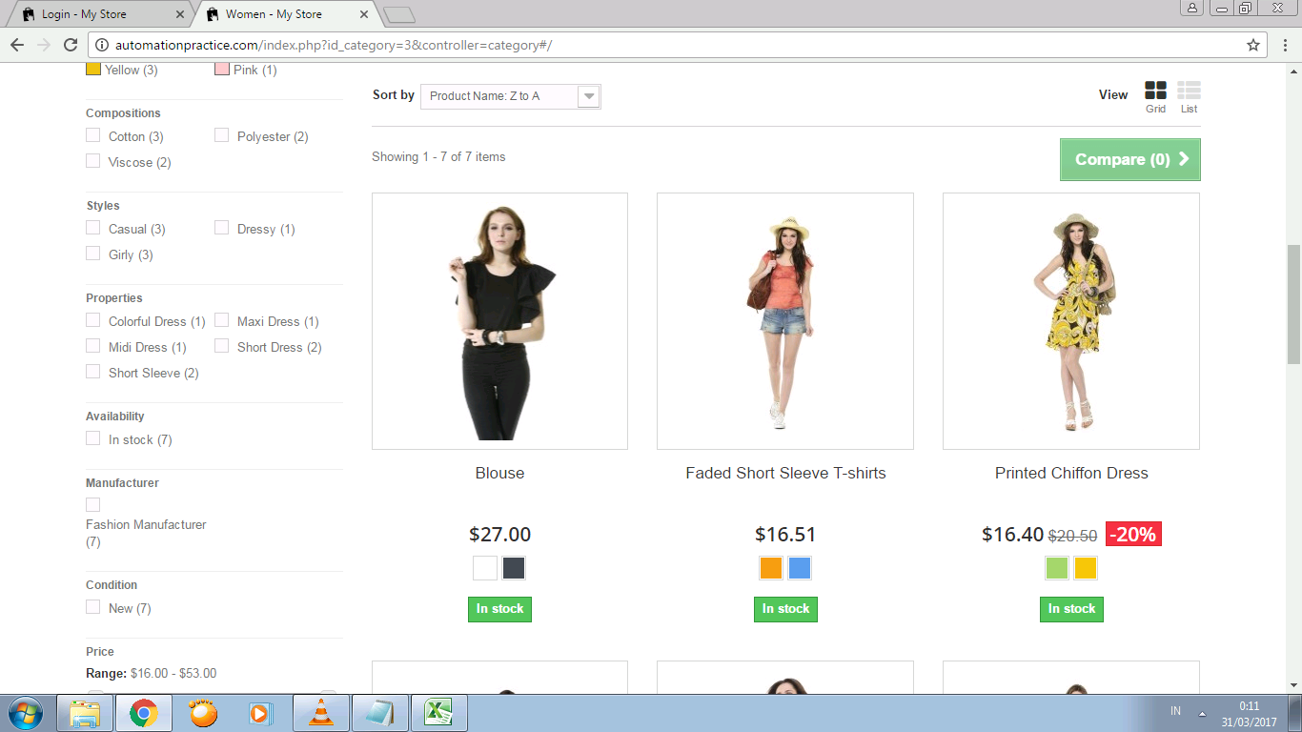

M01.T01.45 | compare same product | Step: 1.Go to product page 2. click button compare for product x 3. check in the page compare | Expected : product success added to product comparison page. Qty compare added. There is 2 column product x and x in the comparation page OR 1.validation can't compare same product | Actual: product success added to product comparison page. Qty compare added. There is just 1 product in the comparation page
3. add to compare the same item, add the qty of compare but when entering the compare page the detail just fine

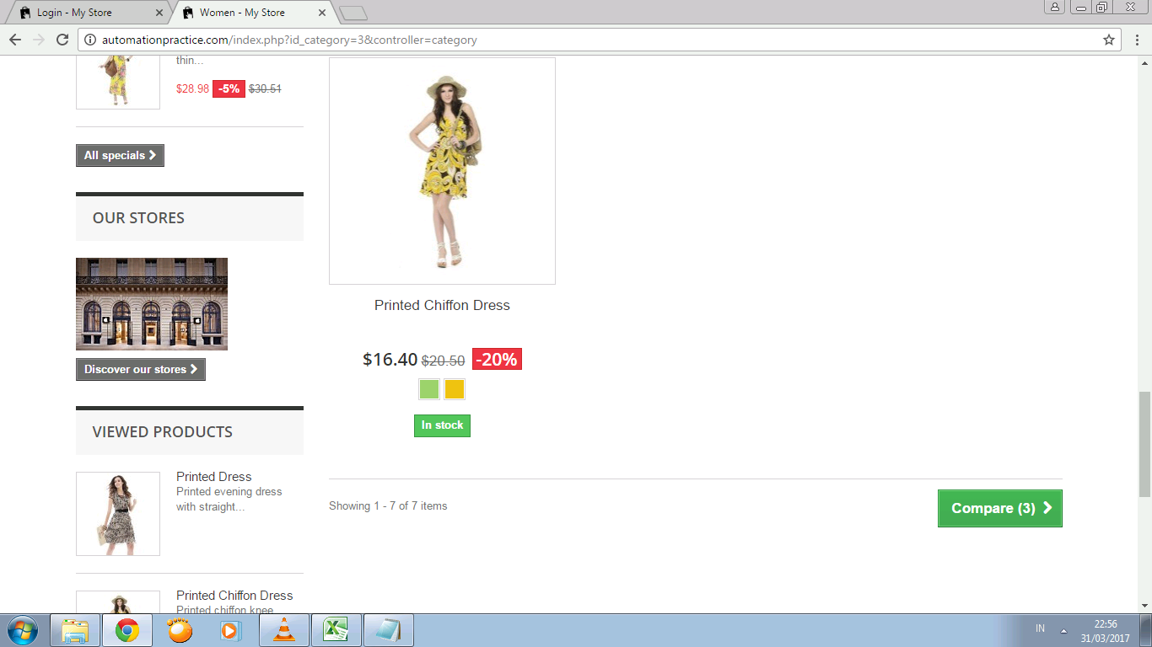

Step: Cick Create an Account when the connection is dissable, expected: " a clear message warning ex " check your connection". Actual : pop up an unclear message, not easy to understand for non technical people

